FACTORY SP3 190
BIKE REF FOR ORDERS : 22-FACTORYSP3-190-STD |  | 2022-03-01 | BIKE NAME : FACTORY SP3 2022
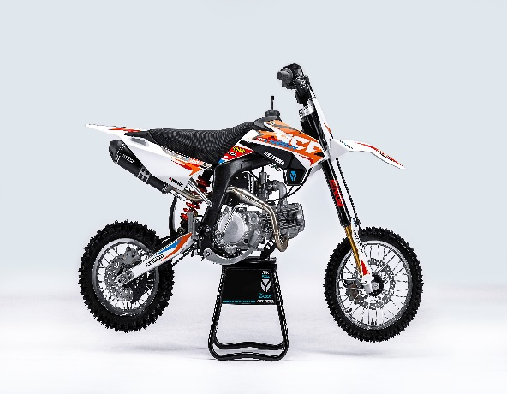 |  |  |  | 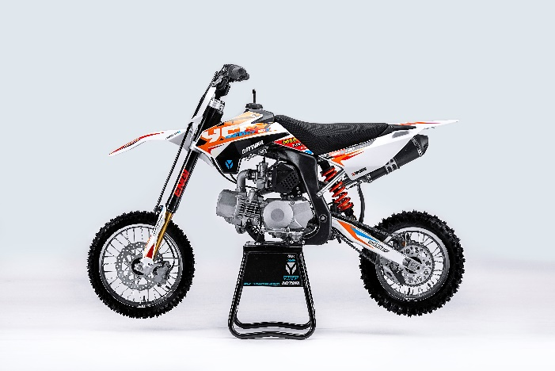
Handle bar assembly
50A = YCF50A
50E = YCF50E
W88E = START W88E
L88 = LITE88 L125 = LITE125
S88S = START F88S
S125S = START F125S
S125SE = START F125SE
S125 = STARTF125
P88 = PILOT 88
P125 = PILOT 125
P150 = PILOT 150
SM125 = START SM125S
SM150 = PILOT SM 150
SP1 = FACTORY SP1
SP2 = FACTORY SP2
SP3 = FACTORY SP3
B125 = BIGY 125MX
B150 = BIGY 150MX
BF150 = BIGY F150MX
BFD190 = BIGY FD190MX
BFZ190 = BIGY ZE190 MX
S147 = SUNDAY 150
S187 = SUNDAY 190
N° | Ref. | Description | Français | Picture | Qty/Bike | Model
1 | GA-02-BK | Aluminium handle bar (with black pad and pvc ) TWIN ALL L=760mm complete with bar pad and pvc BLACK | Guidon aluminium ''BAS'' TWIN ALL L=760mm complet avec mousse et pvc NOIR |  | 1 | SP31622
2 | YC110-0133-01BK | Complete Rubber Bar Pad for Aluminium Handlebar with Bar L=195mm BLACK | Mousse guidon caoutchouc complete pour guidon Aluminium avec Barre L=195mm NOIR |  | 1 | SP31622/BFD1901722
3 | YC110-0153-01 | Handle bar plastic cap | Embout plastique de guidon |  | 1 | ALL BIKES 2122
4 | YC110-0138-03 | YCF complete Throttle Assy. 2020 with YCF GREY | Poignee gaz complete YCF 2020 avec Paire de poignée YCF GRIS 2020 |  | 1 | SM1501422/SP11422/SP21422/SP31422/BF1501722/BFD1901722/BFZ1901722/S1471822/S1871822
5 | PPC011-GY | YCF set of grip GREY 2020 | Paire de poignée caoutchouc YCF GRISE 2020 |  | 1 | ALL BIKES 22
6 | YC110-0135-02 | CNC adjustable bracket with lever 2020 | Cocotte CNC reglage rapide avec levier embrayage 2020 |  | 1 | S12522/P12522/P15022/SM15022/SP222/SP322/B12522/B15022/BFD19022/BFZ19022/S14722/S18722
7 | YC110-0151-02 | Rubber on clutch lever adjustable screw 2020 | Caoutchouc levier embrayage molette reglage2020 |  | 1 | S12522/P12522/P15022/SM15022/SP222/SP322/B12522/B15022/BFD19022/BFZ19022/S14722/S18722
8 | YC110-0136-01 | Rubber on clutch lever | Caoutchouc levier embrayage |  | 1 | S1251822/P1251822/P1501822/SM1501822/SP21822/SP31822/B1251822/B1501822/BF1501822/BFD1901822/BFZ1901822/S1471822/S1871822
9 | YC110-0134-04 | Clutch bracket Assy | Cocotte embrayage complete |  | 1 | S12522/P12522/P15022/SM15022/SP222/SP322/B12522/B15022/BFD19022/BFZ19022/S14722/S18722
10 | BT08-M6x20-W | Hex.Bolt M6x20 mm for clutch lever bracket | vis M6x20 mm pour cocotte embrayage |  | 2 | ALL BIKES 22
11 | YC110-0103-07 | Clutch lever 2020 (with FB13-8x10x10.5-Cu 1EA FB13-8x10x9.4-Cu 1EA ) complete with bushings and washer | Levier embrayage 2020 (avec FB13-8x10x10.5-Cu 1EA FB13-8x10x9.4-Cu 1EA ) avec entretoises et rondelle |  | 1 | S12522/P12522/P15022/SM15022/SP222/SP322/B12522/B15022/BFD19022/BFZ19022/S14722/S18722
12 | YC110-0105-04 | Kill Switch ON/OFF daytona ANIMA engine L=710mm | Coupe circuit on off pour daytona ANIMA L=710mm |  | 1 | SP31322/BFD1901722
13 | YC110-0106-15 | Throttle Cable L=960mm A+B=135mm 2021 (FOR NIBBI PE28) | Cable gaz L=960mm A+B=135mm 2021 (POUR NIBBI PE28) |  | 1 | SP322
14 | YC110-0143-01 | Rubber on trottle cable | Protection caoutchouc cable de gas |  | 1 | ALL BIKES 1722
15 | YC110-01-03-BK | Cable tie L=150mm BLACK | Collier maintien cable L=150mm NOIR |  | 3 | ALL BIKES 1222
16 | YC110-01-05-WH | Cable tie L=350mm WHITE | collier maintien cable L=350mm BLANC |  | 1 | ALL BIKES 1222
17 | YC110-0109-22 | Clutch Cable Assy. L=1000mm A+B=93mm | cable embrayage L=1000mm A+B=93mm |  | 1 | BFD1901722/BFZ1901822/SP31422/S1871822
18 | EBR031-01 | Daytona Clutch clable clip | Support cable enbrayage Daytona |  | 2 | SP322/BFD19022/S18722

Steering stem assembly

N° | Ref. | Description | Français | Picture | Qty/Bike | Model
1 | YC110-0225-06-GY | Complete Triple Clamp (TOP48 / BOTTOM 48) adjustable bar mount SP3 MAT GREY 170mm | Te Fourche Complet (TE SUP. 48 / TE INF.48) pontet ajustable SP3 GRIS MAT 170mm |  | 1 | SP32022
2 | YC110-0201-03 | Steering stem L=233mm | tige colonne direction L=233mm |  | 1 | S12522/S125S1122/S125SE1522/P1251122/P1501122/SM1251222/SM1501322/SP11322/SP21320/SP31322/B1251722/B1501722/BFD1901722/BFZ1901822/S1471822/S1871822
3 | YC110-0201-53-GY | Top Triple Clamp 170mm d.48mm H=28mm 2020 MATT GREY | té fourche supérieur 170mm d.48mm H=28mm 2020 GRIS MAT |  | 1 | SP322
4 | YC110-0202-53-GY | Lower triple clamp 170mm d.48mm H=38mm 2020 MAT GREY | té fourche inferieur 170mm d.48mm H=38mm 2020 GRIS MAT |  | 1 | SP322
5 | YC110-0203-038 | Set of Bar mount d.28.6mm / H=87mm（with GB70.1-M10x55-W 2EA+BT08-M8x30-W 4EA YC110-0222-03 2EA） | Jeu pontet guidon H=87mm d.28.6mm （with GB70.1-M10x55-W 2EA+BT08-M8x30-W 4EA YC110-0222-03 2EA） |  | 1 | SP322/BFD19022
6 | YC110-0203-33 | Lower Bar Mount CNC START type, d.28.6mm H=55mm BLACK | Pontet guidon inférieur type START d.28.6mm H=55mm NOIR |  | 2 | SP322/BFD19022
7 | YC110-0201-01 | Top bar mount CNC d.28.6mm H=22mm 2020 BLACK | Pontet guidon supérieur d.28.6mm H=22mm 2020 NOIR |  | 2 | SP322/BFD19022
8 | YC110-0222-03 | Lower Bar Mount Heightening block CNC 12mmx12mmx12mm adjustable | Cale 12mmx12mmx12mm |  | 2 | SP322/BFD19022
9 | BT08-M6x25-W | Hex.Bolt M6x25mm for clamp (sides top and bottom) | vis M6x25mm pour tes (cotes superieur et inferieur) |  | 10 | ALL BIKES 22
10 | BT08-M8x30-W | Hex.Bolt M8x30mm for top bar mount | vis M8x30mm pour pontet superieur |  | 4 | W88E22/S88SE22/L8822/L12522/S12522/S125SE22/P12522/P15022/SM12522/SM15022/SP222/SP322/B12522/B15022/BFD19022/BFZ19022
11 | GB70.1-M10x55-W | Hex. Bolt M10x55mm (step 1.5) for 2020 bar mounts | Vis centrale M10x55mm (pas 1.5) pour pontets 2020 |  | 2 | SP322/BFD19022
12 | YC110-0212-07-WH | Front Number Plate complete 2022 WHITE | PLAQUE AVANT complete 2022 BLANC |  | 1 | W88E22/S88SE22/L8822/L1251722/S12522/S125S1422/S125SE1422/P1251422/P1501422/SM125s1422/SM1501422/SP11422/SP21422/SP31422
13 | BT08-M6x10-W | Hex.Bolt M6x16mm | vis M6x16mm |  | 1 | ALL BIKES 22
14 | GB97-d12-W | Flat washer d12 | Rondelle d12 |  | 1 | ALL BIKES2022
15 | KRDIRECTION46 | set of bearing for steering 46/23.5、46/22 | kit rlt colonne direction 46/23.5、46/22 |  | 1 | 50A22/50E22/W88E22/S88SE22/L8822/L12522/125S1522/S125SE1522/P1251322/P1501322/SM1251322/SM1501322/SP11122/SP21222/SP31222/B1251722/B1501720/BF1501720/BFD1901722/BFZ1901722/S1471822/S1871822
16 | YC110-02-09 | Top nut for steering d54.5mm | écrou crantellé colonne direction d54.5mm |  | 1 | ALL BIKES 1222
17 | YC110-02-10 | Washer for steering stem nut d22.5mmxd37mmx0.7mm | joint colonne direction d22.5mmxd37mmx0.7mm |  | 2 | ALL BIKES 1222
18 | YC110-02-11 | Nut for steering stem M22 | Ecrou supérieur colonne direction M22 |  | 1 | ALL BIKES 1222
19 | YC110-0214-01-WH | YCF Break Line Retainer White with screw and washer（with GB9074.5-M4x10-W 1EA ） | Guide durite sur plaque avant avec vis et rondelle YCF Blanc |  | 1 | 50A22/50E22/W88E22/S88SE22/L8822/L1251622/S125SE1522/P1251422/P1501422/SM1251422/SM1501422/SP11422/SP21422/SP31422/B1251722/B1501722/BF1501719/BFD1901722/BFZ1901722
20 | GB97-d4-W | flat washer d4mm for Break Line Retainer front No plate | rondelle d4mm pour guide durite plaque No avant |  | 1 | ALL BIKES 1222
21 | GB818-M4x10-W | Plus screw M4x10mm for Break Line Retainer front No plate | vis M4x10mm pour guide durite plaque No avant |  | 1 | ALL BIKES 1222
22 | YC110-0213-10 | Front plastic plate to hold cables 75mmx100mm | Plaque avant plastique maintien cables 75mmx100mm |  | 1 | ALL BIKES 22
23 | YC110-0213-08 | Number plate bracket | support plaque avant |  | 1 | S1251422/S125SE1522/P1251422/P1501422/SM1251622/SM1501622/SP11622/SP21622/SP31622/B1251722/B1501722/BF1501722/BFD190ZE1722/BIGYF190D1722
24 | GBT5787-M6x16-3 | Hex. Bolt with flanged for front plastic plate M6x16mm (spacer 3mm) | vis M6x16mm pour support plaque avant (deport 3mm ) |  | 1 | ALL BIKES 22
25 | YC110-01-08-BK | Cable tie ADJUSTABLE BLACK for Front plastic plate to hold cables | Collier maintien cable AJUSTABLE NOIR pour plaque avant plastique |  | 2 | ALL BIKES 22
26 | YC110-02-20 | Washer for steering stem nut d22mm (top)/d24mm (bottom)-d47mm | Joint pour colonne direction d22mm (haut)/d24mm (bas) -d47mm |  | 1 | S1251422/S125S1422/S125SE1422/P1251422/P1501422/SM1251422/SM1501422/SP11422/SP21422/SP31422/B1251722/B1501722/BF1501722/BFD1901722/BFZ1901822/S1471822/S1871822/S88SE22

Front Fender

N° | Ref. | Description | Français | Picture | Qty/Bike | Model
1 | YC110-032-02-WH | YCF Front Fender 2022 (Short) WHITE | GARDE BOUE AVANT 2022 Court BLANC |  | 1 | W88E22/S88SE22/L12522/S125SE22/S12522/P12522/P15022/SM12522/SM15022/SP222/SP322
2 | GBT5787-M6x16-6 | Hex. Bolt with flanged M6x16mm (spacer 6mm) for front mudguard (bottom) | vis M6x16mm (deport 6mm) pour garde boue avant (dessous) |  | 3 | 50A22/50E22/W88E1822/S88SE1822/L8822/L12522/S12522/S125SE1822/P1251822/P1501822/SM1251822/SM1501822/SP21822/SP31822/B1251822/B1501822/BF1501719/BFD19017820/BFZ1901820
3 | GBT5787-M6x16-3 | Hex. Bolt with flanged M6x16mm front mudguard (spacer 3mm) for front mudguard (top) | vis M6x16mm garde boue avant (deport 3mm ) pour garde boue avant (dessus) |  | 3 | 50A22/50E22/W88E1822/S88SE1822/L8822/L12522/S12522/S125SE1822/P1251822/P1501822/SM1251822/SM1501822/SP21822/SP31822/B1251822/B1501822/BF1501719/BFD19017820/BFZ1901820

Front & Rear absorber

N° | Ref. | Description | Français | Picture | Qty/Bike | Model
1 | ENGI2-800-BK | Pair of fork ENGI L=800mm (Compression / Rebound adjustable) GOLD-BLACK | Jeu de fourche (compression / detente reglable) L=800mm GOLD-NOIRE |  | 1 | SP31822/BIGY190D1822
2 | YC110-0404-63 | Shock absorber ENGI 335mmx640lbs | Amortisseur ENGI 335mmx640lbs |  | 1 | SM1501322/SP31822
3 | PFYCF12-WH | Set of fork protection L=285mm YCF WHITE | 735YCF Jeu protection fourche L=285mm BLANC |  | 1 | P1251622/P1501622/SM1501622/SP11622/SP21622/SP31622/B1251722/B1501722/BF1501722/BFD1901722/BFZ1901722
...
N° | Ref. | Description | Français | Picture | Qty/Bike | Model
18 | 17311-6 | INLET PIPE ,Pro ANIMA 150 for PE28 | PIPE ADMISSION PE28 |  | 1 | SP31622/BFD1901722/BFZ1901822/S1871822
19 | BT08-M6x20-W | Hex.Bolt M6x20mm for inlet pipe fixation (on engine) | vis M6x20mm pour fixation pipe admission (sur moteur) |  | 2 | ALL BIKES 22
20 | 46758 | RUBBER MANIFOLD SET（with YC50-0803 1EA+YC110-2029 1EA+GB70-M6x30-W 2EA） | Manchon pipe admission Daytona |  | 1 | SP31622/BFD1901722/BFZ1901822/S1871822
21 | YC110-2030 | RUBBER MANIFOLD SET PE28 | Manchon pipe admission Daytona PE28 |  | 1 | SP31622/BFD1901722/BFZ1901822/S1871822
22 | YC110-2029 | YCF carburettor paper gasket | joint papier carburateur |  | 1 | SP31622/BFD1901722/BFZ1901822/S1871822
23 | YC50-0803 | Holding ring d.21mm-d.44mm | collier FILTRE d.21-d44mm |  | 1 | SP31622/BFD1901722/BFZ1901822/S1871822
24 | BT08-M6x30-W | Exterior Hex.Bolt M6x30mm for carburetor fixation on inlet pipe | vis M6x30mm pour fixation carburateur sur pipe admission |  | 2 | ALL BIKES 22
25 | GB6170-M6-W | Nut M6 | Ecrou M6 |  | 2 | ALL BIKES 1122

Foot Peg assy
 |  | 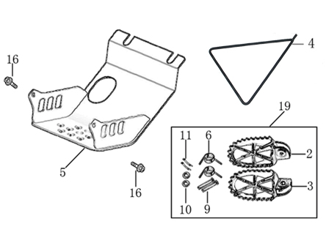
N° | Ref. | Description | Français | Picture | Qty/Bike | Model
1 | YC110-0902/05 | Inox foot pegs set Large | Jeu repose pied inox Large |  | 1 | SP1322/SP21322/SP31422/BF1501722/BFD1901722/BFZ1901822
2 | YC110-0906 | Spring for inox foot peg (left/right) d2mmxd16mmx35mm | ressort repose pied (droit/gauche) inox d2mmxd16mmx35mm |  | 2 | SP1322/SP21322/SP31422/BF1501722/BFD1901722/BFZ1901822/S1471822/S1871822
3 | GB882-d8x45 | shaft pin for inox footpegs Stainless steel d8mmx45mm | axe repose pied inox Acier inoxydable d8mmx45mm |  | 2 | BIGY190ZE22/BIGY190D22/SP222/SP322/S14722/S18722
4 | GB97-d8-W | flat washer d8mmxd16mmx1mm | rondelle d8mmxd16mmx1mm |  | 2 | ALL BIKES 1122
5 | GB91-d2x25-W | Cotter pin 2.0x25mm | goupille 2.0x25mm |  | 2 | ALL BIKES 1322
6 | YC110-190-01 | Side stand SP BLACK | Triangle support SP NOIR |  | 1 | SP11522/SP21522/SP31522/S1471822/S1871822
7 | YC110-207-05 | YCF Engine skid plate Steel SPIII Black #3 | NEW SABOT ACIER FACTORY SPIII Noir |  | 1 | SP31422/BFD1901722
8 | BT08-M6x16-W | Hex.Bolt M6x16mm for skid plate sides fixation | vis M6x16mm pour fixation cotes sabot moteur |  | 2 | S88SE22/L8822/L12522/S12522/S125SE22/P12522/P15022/SM12522/SM15022/SP222/SP322/B12522/B15022/BFD19022/BFZ19022
9 | BT08-M8x25-W | Hex.Bolt M8x25mm for skidplate / engine fixation (bottom) | vis M8x25mm pour fixation sabot/moteur (dessous) |  | 4 | ALL BIKES 22
...
N° | Ref. | Description | Français | Picture | Qty/Bike | Model
13 | GB70.1-M10x35-W | Nut for brake pedal M10X35 | vis pour pédale frein M10X35 |  | 1 | SP11622/SP21622/SP31622/BF1501722/BFD1901722/BFZ1901822
14 | FB13-10x14x6 | bushing 10x14x6MM for brake pedal | entretoise 10x14x6MM pour pédale de frein |  | 1 | SP11622/SP222/SP322/BFD19022/BFZ19022/S14722/S18722
15 | YC110-1223-02 | Aluminium brake pedal end cap 2020 | embout pédale de frein Aluminium 2020 |  | 1 | SP222/SP322/BFD19022/BFZ19022/S14722/S18722
16 | BT08-M6x25-W | Hex.Bolt M6x25mm | vis M6x25 |  | 2 | SP222/SP322/BFD19022/BFZ19022/S14722/S18722
17 | GB70-M5x12 | Hex. Bolt M5x12mm | Vis M5x12mm |  | 3 | SP11622/SP222/SP322/BFD19022/BFZ19022/S14722/S18722
18 | YC110-1215-06 | Mount for rear break reservoir "extern" | fixation maitre cylindre frein arriere "externe" |  | 1 | P1251722/P1501722/SM1501722/SP11722/SP21722/SP31722/B1251722/B1501722/BFD1901722/BFZ1901822/S1471822/S1871822
19 | BT08-M6x12-W | Hex. Bolt e M6x12mm for rear break reservoir fixation | vis M6x12mm pour fixation maitre cylindre frein arriere |  | 2 | P12522/P15022/SM15022/SP222/SP322/B12522/B15022/BFD19022/BFZ19022/S14722/S18722
20 | BT08-M6x12-W | Hex.Bolt M6x12mm | vis M6x12mm |  | 2 | P12522/P15022/SM15022/SP222/SP322/B12522/B15022/BFD19022/BFZ19022/S14722/S18722

Exhaust system
 |  | 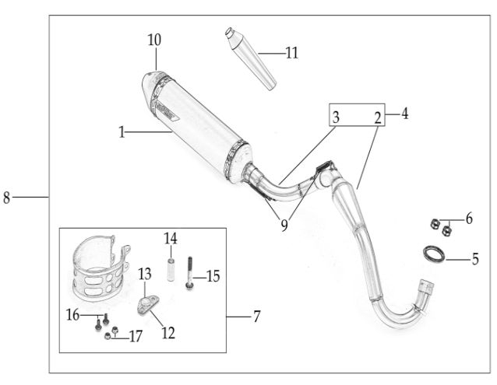
N° | Ref. | Description | Français | Picture | Qty/Bike | Model
1 | YC110-139-09-BK | Muffler& Exhaust pipe assy RACING 2022 single Muffler | Echapement Racing Complete YCF RACING 2022 Simple |  | 1 | SP322
2 | YC110-13014-04BK | Muffler RACING (2 springs) Black | silencieux YCF SP3 RACING Noir |  | 1 | SP21622/SP31622/BF1501622/BFD1901722/BFZ1901822
3 | YC110-13-35 | Muffler racing end cap | Embout silencieux racing |  | 1 | SP21222/SP31222/BF1501722/BFD1901722/BFZ1901822/S1471822/S1871822
4 | GB70-M5x20 | Plus screw M5x20mm for muffler end cap | vis M5x20mm pour Emout silencieux |  | 3 | SP21222/SP31222/BF1501722/BFD1901722/BFZ1901822/S1471822/S1871822
5 | GB93-d5 | Standard spring washer d5mm for muffler end cap | rondelle d5mm pour Embout silencieux |  | 4 | SP21222/SP31222/BF1501722/BFD1901722/BFZ1901822/S1471822/S1871822
6 | YC110-1317-02 | Noise reducer (spark arrestor) YCF SP | Bride de pot YCF SP |  | 1 | SP322/BIGYF15022/BIGYF150E22/BIGYF190D22
7 | GB70-M5x6 | Plus screw M5x6mm for Spark Arestor | vis M5x6mm pour bride de pot |  | 1 | SP322/BIGYF15022/BIGYF150E22/BIGYF190D22
8 | YC110-13028-01 | Racing Exhaust pipe Complete SP3 | Collecteur Racing Complet SP3 |  | 1 | SP31622
9 | YC110-1302-13 | Racing Exhaust pipe head for competition SP3 | Collecteur Racing SP3 |  | 1 | SP31622
10 | YC110-1302-15 | Racing Exhaust pipe tail for competition (single) SP3 | Collecteur Racing Partie Silencierux SP3 |  | 1 | SP31622
11 | 18291/152FMH | Exhaust pipe washer d.25.5mmxd.32mmx4mm | joint pot d.25.5mmxd.32mmx4mm |  | 1 | S88SE1522/L881722/L1251622/S125SE1522/S12522/P1251322/P1501222/SM1251222/SM1501222/SP11222/SP21222/SP31422/B1251722/B1501722/BFD1901722/BFZ1901820/S1471822/S1871822
12 | GB6177-M6-W | Self-locking Nut M6 for exhaust pipe fixation on engine | écrou M6 pour fixation du collecteur sur le moteur |  | 2 | SP21222/SP31222/BF1501722/BFD1901722/BFZ1901822/S1471822/S1871822
13 | YC110-1307-03 | Hoop for muffler YCF SPII/SPIII （with FB13-8x14x35-W 1EA+GB5787-M8x60-W 1EA） | Attache silencieux YCF SPII/SPIII (DROIT) |  | 1 | SP21520/SP31522
14 | BT08-M8x60-W | Hex.Bolt M8x60mm for protection fixation on exhaust | vis M8x60mm pour fixation de la grille sur le collecteur |  | 1 | SP222/SP322
15 | BT08-M6x16-W | Hex. Bolt e M6x16mm | vis M6x16mm |  | 2 | SP21222/SP31222/BF1501722/BFD1901722/BFZ1901822/S1471822/S1871822
16 | GB6177-M6-W | Hex. Flanged nut M6 | écrou M6 |  | 2 | SP21222/SP31222/BF1501722/BFD1901722/BFZ1901822/S1471822/S1871822
17 | YC110-1310-01 | muffler spring d.2mmxd.10mmx43mm | ressort pot d.2mmxd.10mmx43mm |  | 3 | SP31622/BFD1901722

Seat & Plastic kit
 | 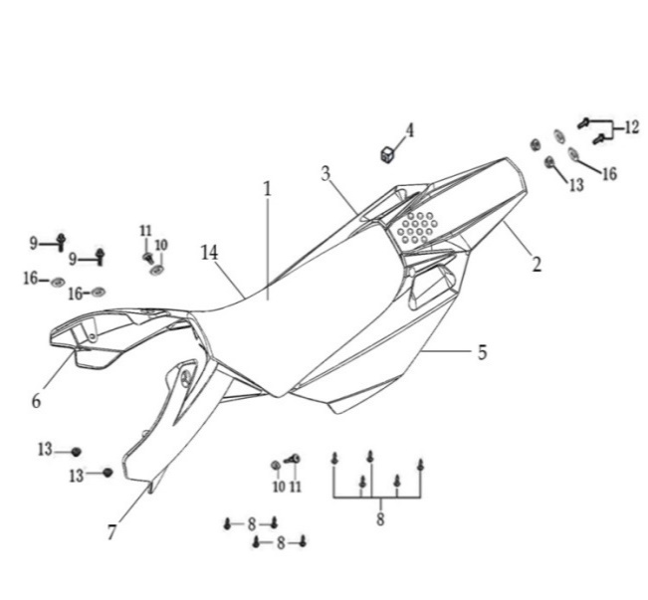
N° | Ref. | Description | Français | Picture | Qty/Bike | Model
1 | YC110-1401-17 | YCF Seat assy L=510mm | Sells SP L=510mm |  | 1 | P1251822/P1501822/SM1501822/SP21822/SP31822
2 | YC110-14-018-WH | YCF Rear fender WHITE with YC110-1404-01 2EA FACTORY | Garde boue arrière YCF avec Picots BLANC FACTORY |  | 1 | P1251622/P1501622/SM1501622/SP11622/SP21622/SP31622
3 | YC110-14-028-WH | YCF right side complete plastic assy WHITE | Plaque latérale droite complete YCF BLANC |  | 1 | P1251622/P1501622/SM1501622/SP11622/SP21622/SP31622
4 | YC110-14-03 | Cushion for right side plastic | caoutchouc plaque laterale droite |  | 1 | ALL BIKES 1122
5 | YC110-14-048-WH | YCF left side complete plastic assy WHITE | Plaque laterale gauche complete YCF BLANC |  | 1 | P1251622/P1501622/SM1501622/SP11622/SP21622/SP31622
6 | GB819-M5x10-W | Plus screw M5x10mm | vis M5x10mm |  | 2 | P1251622/P1501622/SM1501622/SP11622/SP21622/SP31622/B1251722/B1501722/BF1501722/BFD1901722/BFZ1901822
7 | YC110-1404-01 | Cushion for side plastic d8.2mmxd20.2mmx9mm | caoutchouc plaque laterale d8.2mmxd20.2mmx9mm |  | 2 | P1251622/P1501622/SM1501622/SP11622/SP21622/SP31622/B1251722/B1501722/BF1501722/BFD1901722/BFZ1901822
8 | YC110-14-059-WH | Right shroud SP 2022 WHITE | ouie radiateur droite SP 2022 BLANCHE |  | 1 | W88E22/S88SE22/S125SE22/S12522/P1251822/P1501822/SM12522/SM1501822/SP122/SP21722/SP31722
9 | YC110-14-069-WH | Left side shroud SP2022 WHITE | ouie radiateur gauche SP2022 BLANCHE |  | 1 | W88E22/S88SE22/S125SE22/S12522/P1251822/P1501822/SM12522/SM1501822/SP122/SP21722/SP31722
...
13 | BT08-M6x20-W | Hex.Bolt M6x20mm for front shroud fixation | vis M6x20mm pour fixation partie avant ouie |  | 2 | ALL BIKES 22
14 | YC110-02-13 | Rubber washer d6mmxd14mmx3mm for shroud fixation on gas tank | rondelle d.5mmxd.15mm pour fixation ouies sur reservoir cotes |  | 2 | ALL BIKES 1222
15 | FB5787-M5x12-W | hex. Bolt with flanged M5x12mm for shroud fixation on gas tank sides | vis M5x12mm pour fixation ouis sur reservoir cotes |  | 2 | ALL BIKES 1222
16 | GB96-d5-W | flat washer d6 for shroud fixation on gas tank sides | rondelle d6 pour fixation ouis sur reservoir cotes |  | 2 | ALL BIKES 1222
17 | GB6177-M6-W | Hex. Flanged nut M6 for front shroud fixation | Ecrou M6 pour fixation partie avant ouie |  | 2 | ALL BIKES 1222
18 | GB5787-M6x20-B | hex. Bolt with flanged M6x20mm BLACK for seat fixation on subframe | vis M6x20mm NOIR pour fixation selle sur boucle acier |  | 2 | ALL BIKES 1522
19 | YC110-03-01 | Rubber washer d6mmxd18mmx4mm for seat fixation on subframe | joint caoutchouc d6mmxd18mmx4mm pour fixation selle sur boucle acier |  | 4 | ALL BIKES 1222
20 | GB96-d6 | flat washer d6mm for seat fixation on subframe | rondelle d6mm pour fixation selle sur boucle acier |  | 4 | ALL BIKES 1222

ELECTRIC
 | 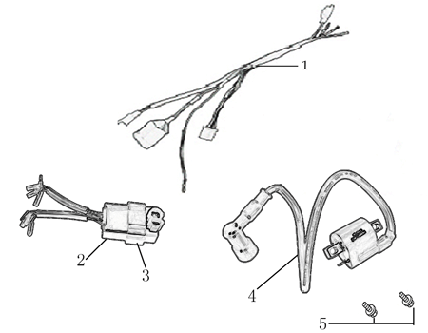
N° | Ref. | Description | Français | Picture | Qty/Bike | Model
1 | 86917 | WIRE HERNESS for ANIMA-FDX | FAISCEAU ELECTRIQUE |  | 1 | SP31322/BFD1901722/S1871822
2 | YC110-01-05-WH | Cable tie L=350mm WHITE | collier maintien cable L=350mm BLANC |  | 1 | ALL BIKES 1222
3 | 86427 | BOX, CDI for FDX, FLX | CDI ANIMA 150/190 for FDX, FLX |  | 1 | SP31322/BFD1901722/S1871822
4 | 86426 | COIL, IGN ITION | BOBINE D'ALLUMAGE |  | 1 | SP31322/BFD1901722/S1871822
5 | BT08-M6x16-W | Hex.Bolt M6x16mm for ignitor coil fixation | vis M6x16mm pour fixation bobine haute |  | 1 | ALL BIKES 22

Frame
 |  | 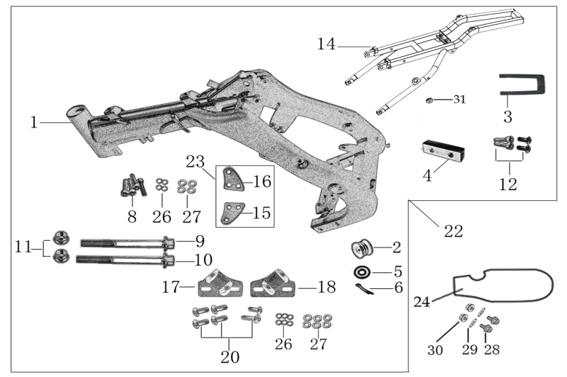
N° | Ref. | Description | Français | Picture | Qty/Bike | Model
1 | YC110-1621-0801-BK | chromoly frame body SPIII 2020 BLACK 22° | Cadre chromoly SPIII 2020 NOIR 22° |  | 1 | SP322
2 | YC110-181-0501-BK | Chromoly steel frame body SPI / SPII / SPIII 2020 LACK 22 degrees | Cadre acier chromoly SPI / SPII / SPIII 2020 NOIR 22 degres |  | 1 | SP222/SP322
3 | YC110-01-08-BK | Cable tie ADJUSTABLE BLACK | Collier maintien cable AJUSTABLE NOIR |  | 1 | ALL BIKES 22
4 | YC110-2201-02 | YCF Chain tensioner component Nylon 2020 | Roulette chaine YCF 2020 Nylon |  | 1 | S88SE22/L8822/L12522/S125SE22/S12522/P12522/P15022/SM12522/SM15022/SP222/SP322/B12522/B15022/BFD19022/BFZ1901722/
5 | GB97-d10-W | Flat washer d10mmxd17mmx2mm for Chain tensioner | rondelle d10mmxd17mmx2mm pour roulette chaine |  | 1 | ALL BIKES 1122
6 | GB91-d2x25-W | cotter pin d2.0x25mm for Chain tensioner | goupille d2.0x25mm pour roulette chaine |  | 1 | ALL BIKES 1122
7 | YC110-1614-06 | Aluminium rear frame part SPIII SILVER with YC110-1404-01 2EA | Boucle arriere de cadre Aluminium SPIII SILVER |  | 1 | SP31622
8 | YC110-0700-12 | Tail cover sponge T=4mm | Mousse Boucle arriere T=4mm |  | 1 | SP31222
9 | YC110-16-066-BK | set of engine pads Black SPI/SPII/SPIII | jeu de patte de cadre Noir SPI/SPII/SPIII |  | 1 | SP11322/SP21222/SP31222
...

